system_details
System details

ATS-G

Category | Details | Sources | See this sales slideshow: https://www.icao.int/Meetings/TRIP-Symposium-2021/PublishingImages/Pages/Presentations/Automated%20Targeting%20System-Global%20%28ATS-G.pdf
name | automated targeting system-global (ATS-G) | https://www.cbp.gov/frontline/cbp-national-targeting-center | CBP source claims 30 countries using ATS-G (https://www.cbp.gov/sites/default/files/assets/documents/2022-Jul/fy21-oit-year-in-review-opt.pdf)
developer | US Customs and Border Protection | https://www.cbp.gov/frontline/cbp-national-targeting-center, https://www.congress.gov/116/meeting/house/109230/witnesses/HHRG-116-HM05-Wstate-ConroyD-20190402.pdf
country_of_origin | United States | https://www.cbp.gov/frontline/cbp-national-targeting-center | DHS document states explicitly that ATS-G is used "to vet migrants within the Western Hemisphere" (i.e. central/south America) "who are potentially making their way to the US Southwest border"
countries_implemented | United States; New Zealand; Mexico; Costa Rica; El Salvador… | https://www.cbp.gov/frontline/cbp-national-targeting-center, https://www.govinfo.gov/content/pkg/CHRG-114hhrg95682/html/CHRG-114hhrg95682.htm, https://www.icao.int/Meetings/TRIP-Symposium-2021/PublishingImages/Pages/Presentations/Automated%20Targeting%20System-Global%20%28ATS-G.pdf
type | air passenger screening system
aim | real-time passenger screening and targeting; enable compliance with UN Security Council Resolution 2178 | https://www.cbp.gov/frontline/cbp-national-targeting-center | https://www.google.com/url?sa=t&source=web&rct=j&opi=89978449&url=https://www.hsdl.org/c/view%3Fdocid%3D847711&ved=2ahUKEwiRlKSJ18KFAxWdUUEAHVQxBPU4ChAWegQICRAB&usg=AOvVaw3HCDFkH-vvzIysKSEkJoPM
requires_partnership | yes | https://www.cbp.gov/frontline/cbp-national-targeting-center | Slideshow with details on functionality: https://kbscustoms.asean.org/wp-content/uploads/2019/12/7.2-GTAS-Introduction.pdf
capabilities | * checks passenger and cargo details against watchlists (etc); * incorporates the National Security Inbound (NSI) -Watchlist Service (NSI-WLS) analytics model; * data sharing with partner countries; * gives user "access to U.S.-sourced terrorism screening data"; * "matches traveler data against a foreign partner’s watchlist, the HSPD-6 Foreign Partner Export, INTERPOL notices, or scenario-based targeting rules."; * INTERPOL interconnectivity (via their SLTD and TDAWN databases); * see details for original ATS system (used by US DHS) here: https://www.dhs.gov/sites/default/files/2022-07/privacy-pia-cbp006-ats-july2022_0.pdf | https://www.cbp.gov/frontline/cbp-national-targeting-center; https://www.cbp.gov/sites/default/files/assets/documents/2022-Aug/oit-fy20-yir.pdf, https://www.state.gov/reports/country-reports-on-terrorism-2021/greece, https://www.dni.gov/files/documents/FOIA/2018_Information_Sharing_Environment_Annual_Report.pdf
data_used | * passenger data (e.g., personal data; biometrics); * cargo data; * user country's watchlist; *HSPD-6 Foreign Partner Export; * INTERPOL notices; * scenario-based targeting rules. | https://www.cbp.gov/frontline/cbp-national-targeting-center, https://www.dni.gov/files/documents/FOIA/2018_Information_Sharing_Environment_Annual_Report.pdf
date_launched
date_developed
cost | free | https://www.cbp.gov/frontline/cbp-national-targeting-center
license_type | free, closed source | https://www.cbp.gov/frontline/cbp-national-targeting-center
requires_partnership | yes | https://www.cbp.gov/frontline/cbp-national-targeting-center
distribution_partners
future_development
notes | "Political or legal roadblocks regarding sovereignty prevent some nations from freely collaborating with the U.S. or other nations, explained NTC Director Troy Miller. For those countries, CBP created the global travel assessment system or GTAS. GTAS permits foreign countries to independently perform vetting activities without the collaboration involved with ATS-G". "The ATS-G system provided to our partner countries includes a free software license, free installation tailored to a partner’s needs as well as technical support and training" (https://www.cbp.gov/frontline/cbp-national-targeting-center). US CPD and State Dept criticised by the Homeland Security Committee for not better coordinating PISCES and ATS-G (https://democrats-homeland.house.gov/imo/media/doc/TaskForceFinalReport.pdf) | https://www.cbp.gov/frontline/cbp-national-targeting-center, https://cis.org/sites/default/files/2019-01/396705631-SIA-Report-2018.pdf, https://democrats-homeland.house.gov/imo/media/doc/TaskForceFinalReport.pdf

GTAS

Category | Details | Sources | See this YouTube channel for official tutorials: https://www.youtube.com/channel/UCtXAg19WpOVH245FO9Xb5dg/videos
name | global travel assessment system (GTAS) | https://www.cbp.gov/frontline/cbp-national-targeting-center
developer | US Customs and Border Protection | https://www.cbp.gov/frontline/cbp-national-targeting-center | Slideshow with details on functionality: https://kbscustoms.asean.org/wp-content/uploads/2019/12/7.2-GTAS-Introduction.pdf
type | air passenger screening system
country_of_origin | United States | https://www.cbp.gov/frontline/cbp-national-targeting-center | Details on plans for implementing new features: https://blogs.fcdo.gov.uk/stefaniadimauronava/2016/06/16/funding-k9-wearable-tech-global-travel-assessment-system/
countries_implemented | Pakistan, Maldives | https://www.cbp.gov/sites/default/files/assets/documents/2022-Aug/oit-fy20-yir.pdf, https://www.wcoomd.org/zh-cn/media/newsroom/2019/july/gtas-go-live-in-maldives.aspx | Details on US govt plans to implement machine learning for GTAS: https://emerj.com/ai-case-studies/the-department-of-homeland-security-uses-ai-enhanced-entity-resolution-for-its-global-travel-assessment-system-gtas/
aim | passenger screening and targeting; enable compliance with UN Security Council Resolution 2178 | https://www.cbp.gov/frontline/cbp-national-targeting-center
capabilities | * checks passengera and cargo details against watchlists (etc); * "automatically evaluates passenger manifests in real time to identify suspicious travelers or crewmembers who may pose a national security risk, justifying a closer assessment"; * utilises cloud services | https://www.cbp.gov/frontline/cbp-national-targeting-center; https://www.cbp.gov/sites/default/files/assets/documents/2022-Aug/oit-fy20-yir.pdf | See also https://www.cbp.gov/frontline/cbp-national-targeting-center, https://www.dhs.gov/news/2018/04/25/written-testimony-cbp-commissioner-house-homeland-security-subcommittee-border-and
data_used | * passenger data (e.g., personal data; biometrics); * cargo data | https://www.cbp.gov/frontline/cbp-national-targeting-center
date_developed |  |  | A 2022 WCO report claims "the WCO's GTAS program has ceased operation" (https://www.wcoomd.org/-/media/wco/public/global/pdf/topics/enforcement-and-compliance/activities-and-programmes/illicit-trade-report/itr_2022_en.pdf)
date_launched | 2016 | https://www.cbp.gov/frontline/cbp-national-targeting-center
cost | free | https://www.cbp.gov/frontline/cbp-national-targeting-center | There have been no new commits to the GTAS github since 2022
license_type | free, open source | https://www.cbp.gov/frontline/cbp-national-targeting-center; https://www.cbp.gov/sites/default/files/assets/documents/2022-Aug/oit-fy20-yir.pdf
requires_partnership | no | https://www.cbp.gov/frontline/cbp-national-targeting-center
development_partners | Tamr, Interpol, DataRobot | https://emerj.com/ai-case-studies/the-department-of-homeland-security-uses-ai-enhanced-entity-resolution-for-its-global-travel-assessment-system-gtas/, https://www.tamr.com/, http://kbscustoms.asean.org/wp-content/uploads/2019/12/7.1-GTAS-Program-High-Level.pdf, https://www.frontex.europa.eu/assets/Publications/Research/Frontex_AI_Research_Study_2020_final_report.pdf, https://my.avnet.com/silica/resources/article/customs-and-border-protection-iot-gets-the-goods/, https://homelandprepnews.com/stories/30085-datarobot-receives-dhs-award-for-improvements-to-global-travel-assessment-system/, https://www.dhs.gov/science-and-technology/news/2018/08/20/news-release-dhs-awards-va-company-200k-begin-automated
distribution_partners | World Customs Organization (system donated to by US) | https://www.cbp.gov/sites/default/files/assets/documents/2022-Aug/oit-fy20-yir.pdf
future_development | Implementation of Machine Learning/AI for data analysis (e.g. entity matching); providing proability scores for matches | https://www.dni.gov/files/documents/FOIA/2018_Information_Sharing_Environment_Annual_Report.pdf, https://www.frontex.europa.eu/assets/Publications/Research/Frontex_AI_Research_Study_2020_final_report.pdf, https://emerj.com/ai-case-studies/the-department-of-homeland-security-uses-ai-enhanced-entity-resolution-for-its-global-travel-assessment-system-gtas/, https://www.frontex.europa.eu/assets/Publications/Research/Frontex_AI_Research_Study_2020_final_report.pdf
website | via GitHub | https://us-cbp.github.io/GTAS/
source_code | via GitHub | https://github.com/US-CBP/GTAS
notes | "Political or legal roadblocks regarding sovereignty prevent some nations from freely collaborating with the U.S. or other nations, explained NTC Director Troy Miller. For those countries, CBP created the global travel assessment system or GTAS. GTAS permits foreign countries to independently perform vetting activities without the collaboration involved with ATS-G" | https://www.cbp.gov/frontline/cbp-national-targeting-center

PISCES

Category | Details | Sources
name
developer
country_of_origin
countries_implemented
type
aim
requires_partnership
capabilities
data_used
date_launched
date_developed
cost
license_type
requires_partnership
distribution_partners
future_development
notes

MIDAS

Category | Details | Sources
name
developer
country_of_origin
countries_implemented
type
aim
requires_partnership
capabilities
data_used
date_launched
date_developed
cost
license_type
requires_partnership
distribution_partners
future_development
notes

I-24/7

Category | Details | Sources | "despite all North Africa and Middle East countries are connected to I-24/7 (Interpol global secure police communication system), and extension to specialized units being the case in several of these countries, the use of the system by these countries is very modest" (https://privacyinternational.org/sites/default/files/2021-10/Annex%203.8_DG%20NEAR%20AD%202016%20Security%20Package.pdf)
name | I-24/7 | https://interpolint.org/databases/ | Details on different INTERPOL notices: https://www.police.gov.hk/offbeat/908/eng/n12.htm
developer | INTERPOL | https://interpolint.org/databases/ | "All 196 member countries are connected to each other and to the General Secretariat via a secure communications system called I-24/7. It also allows them to access our databases and services in real-time, from both central and remote locations. We also coordinate networks of police and experts in different crime areas, who come together through working groups and at conferences to share experiences and ideas." (https://www.interpol.int/en/Who-we-are/What-is-INTERPOL/INTERPOL-Five-actions-for-a-safer-world)
country_of_origin | N/A |  | https://www.interpol.int/en/Who-we-are/What-is-INTERPOL
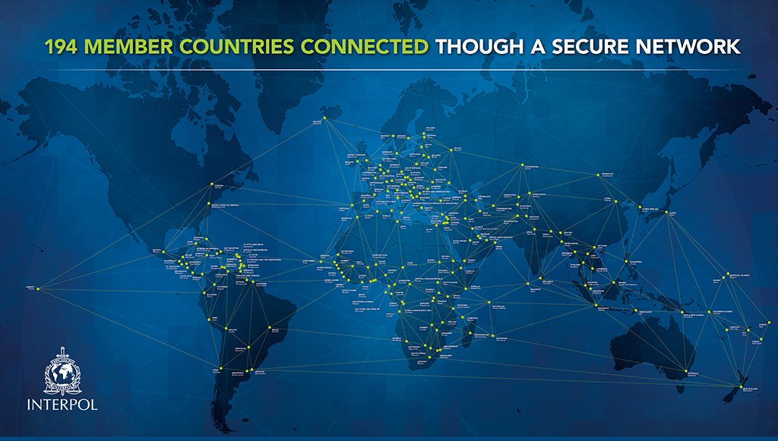
countries_implemented | ~ 194 countries | https://www.iaea.org/sites/default/files/23/09/interpol-gc67.pdf
type | Police data/intelligence sharing network |  |  |  | https://twitter.com/INTERPOL_HQ/status/1122410779158949889
aim | Data sharing network & "secure global police communications system" | https://interpolint.org/databases/
capabilities | Web-based; utilises VPN; Accesses INTERPOL's databases; integrated with WAPIS; inter-country data sharing | https://interpolint.org/databases/, https://www.justice.gov/doj/interpol-united-states-national-central-bureau
data_used | INTERPOL's 19 databases: Notices; Nominal data on individuals; International Child Sexual Exploitation image database; Fingerprints; DNA; I-Familia; Facial Recognition System database; SLTD database (travel and identity documents); Stolen Administrative Documents; Counterfeit documents; Edison (Electronic Documentation and Information System on Investigation Networks); stolen motor vehicles; stolen vessels; Works of Art database; INTERPOL Firearms Reference Table; INTERPOL illicit Arms Records and tracing Management System (iARMS); INTERPOL Ballistic Information Network (IBIN); maritime piracy database; Travel Documents Associated with Notices database (TDAWN) | https://interpolint.org/databases/, https://www.europarl.europa.eu/meetdocs/2004_2009/documents/dv/sede290109interpolsaferworld_/SEDE290109interpolsaferworld_en.pdf, https://www.interpol.int/en/How-we-work/Databases/Our-19-databases, https://www.interpol.int/en/How-we-work/Databases/SLTD-database-travel-and-identity-documents, https://www.lawinsider.com/dictionary/interpol-databases
date_launched | 2002 | https://www.interpol.int/Who-we-are/Our-history/Key-dates
date_developed
cost | N/A
license_type | N/A
requires_partnership | Yes (must be INTERPOL member state) | https://interpolint.org/databases/
distribution_partners | N/A
future_development
notes

WAPIS

Category | Details | Sources
name | West Africa Police Information System (WAPIS) | https://www.interpol.int/en/How-we-work/Capacity-building/WAPIS-Programme
developer | INTERPOL | https://www.interpol.int/en/How-we-work/Capacity-building/WAPIS-Programme
country_of_origin | N/A
countries_implemented | Benin, Burkina Faso, Cabo Verde, Chad, Côte D'ivoire, Ghana, Guinea, Guinea-Bissau, Liberia, Mali, Mauritania, Niger, Nigeria, Senegal, Sierra Leone, Togo | See source sheet
type | Police data/intelligence sharing network | https://www.interpol.int/en/How-we-work/Capacity-building/WAPIS-Programme
aim | Improve data collection and sharing capabilities for West African police | https://www.interpol.int/en/How-we-work/Capacity-building/WAPIS-Programme
capabilities
data_used
date_launched | 2013 | https://www.interpol.int/en/How-we-work/Capacity-building/WAPIS-Programme
date_developed
cost | N/A
license_type | N/A
requires_partnership | Yes (INTERPOL West Africa regional partnership)
funders | European Union, ECOWAS | https://www.interpol.int/en/How-we-work/Capacity-building/WAPIS-Programme, https://www.interpol.int/en/How-we-work/Capacity-building/WAPIS-Programme
future_development
notes

FIND

Category | Details | Sources | https://www.icao.int/ESAF/Documents/meetings/2019/ICAO%20Technical%20Worskhop%20ICBWG%202019/7-%20Fabrizio%20Di%20Carlo%20-%20INTERPOL%20-%20Session%203%20(day%201).pdf
name | Fixed INTERPOL Network Database (FIND) | https://www.icao.int/Meetings/TRIP-Jamaica-2017/Documents/ICAO%20TRIP%20Guide%20on%20BCM-For%20validation-16-11-2017.pdf, https://www.eumonitor.eu/9353000/1/j9vvik7m1c3gyxp/vkcrd4ew9zwq
developer | INTERPOL | https://www.icao.int/Meetings/TRIP-Jamaica-2017/Documents/ICAO%20TRIP%20Guide%20on%20BCM-For%20validation-16-11-2017.pdf, https://www.eumonitor.eu/9353000/1/j9vvik7m1c3gyxp/vkcrd4ew9zwq
country_of_origin | N/A
countries_implemented
type | Police database access system | https://www.icao.int/Meetings/TRIP-Jamaica-2017/Documents/ICAO%20TRIP%20Guide%20on%20BCM-For%20validation-16-11-2017.pdf, https://www.eumonitor.eu/9353000/1/j9vvik7m1c3gyxp/vkcrd4ew9zwq
aim
capabilities | real-time online access to INTERPOL databases; access to national and regional databases simultaneously (e.g. EU databases); enables single automated search for multiple databases; option to populate INTERPOL databases from national databases; interoperability with national police information management systems (PIMS) | https://www.icao.int/Meetings/TRIP-Jamaica-2017/Documents/ICAO%20TRIP%20Guide%20on%20BCM-For%20validation-16-11-2017.pdf, https://www.eumonitor.eu/9353000/1/j9vvik7m1c3gyxp/vkcrd4ew9zwq, https://eur-lex.europa.eu/legal-content/EN/TXT/PDF/?uri=CELEX:52016SC0450&from=EN, https://www.icao.int/Meetings/TRIP-Jamaica-2017/Presentations/TIBULCA.pdf
data_used | SLTD, nominal data, stolen vehicles, SIS II (for EU countries), US NCIC | https://www.icao.int/Meetings/TRIP-Jamaica-2017/Documents/ICAO%20TRIP%20Guide%20on%20BCM-For%20validation-16-11-2017.pdf, https://www.eumonitor.eu/9353000/1/j9vvik7m1c3gyxp/vkcrd4ew9zwq, https://eur-lex.europa.eu/legal-content/EN/TXT/PDF/?uri=CELEX:52016SC0450&from=EN
date_launched | 2005 | https://www.icao.int/Meetings/TRIP-Jamaica-2017/Documents/ICAO%20TRIP%20Guide%20on%20BCM-For%20validation-16-11-2017.pdf, https://www.eumonitor.eu/9353000/1/j9vvik7m1c3gyxp/vkcrd4ew9zwq
date_developed
cost | N/A
license_type
requires_partnership | Yes (must be INTERPOL member state) | https://www.icao.int/Meetings/TRIP-Jamaica-2017/Documents/ICAO%20TRIP%20Guide%20on%20BCM-For%20validation-16-11-2017.pdf, https://www.eumonitor.eu/9353000/1/j9vvik7m1c3gyxp/vkcrd4ew9zwq
distribution_partners
future_development
notes

MIND

Category | Details | Sources | https://www.icao.int/ESAF/Documents/meetings/2019/ICAO%20Technical%20Worskhop%20ICBWG%202019/7-%20Fabrizio%20Di%20Carlo%20-%20INTERPOL%20-%20Session%203%20(day%201).pdf
name | Mobile INTERPOL Network Database (MIND) | https://www.icao.int/Meetings/TRIP-Jamaica-2017/Documents/ICAO%20TRIP%20Guide%20on%20BCM-For%20validation-16-11-2017.pdf
developer | INTERPOL | https://www.icao.int/Meetings/TRIP-Jamaica-2017/Documents/ICAO%20TRIP%20Guide%20on%20BCM-For%20validation-16-11-2017.pdf
country_of_origin | N/A
countries_implemented
type | Police database access system | https://www.icao.int/Meetings/TRIP-Jamaica-2017/Documents/ICAO%20TRIP%20Guide%20on%20BCM-For%20validation-16-11-2017.pdf
aim
capabilities | access to an offline copy of INTERPOL databases | https://www.icao.int/Meetings/TRIP-Jamaica-2017/Documents/ICAO%20TRIP%20Guide%20on%20BCM-For%20validation-16-11-2017.pdf
data_used | SLTD, nominal data, stolen vehicles | https://www.icao.int/Meetings/TRIP-Jamaica-2017/Documents/ICAO%20TRIP%20Guide%20on%20BCM-For%20validation-16-11-2017.pdf
date_launched | 2005 | https://www.icao.int/Meetings/TRIP-Jamaica-2017/Documents/ICAO%20TRIP%20Guide%20on%20BCM-For%20validation-16-11-2017.pdf
date_developed
cost | N/A
license_type
requires_partnership | Yes (must be INTERPOL member state) | https://www.icao.int/Meetings/TRIP-Jamaica-2017/Documents/ICAO%20TRIP%20Guide%20on%20BCM-For%20validation-16-11-2017.pdf
distribution_partners
future_development
notes

I-Checkit

Category | Details | Sources | https://www.icao.int/ESAF/Documents/meetings/2019/ICAO%20Technical%20Worskhop%20ICBWG%202019/7-%20Fabrizio%20Di%20Carlo%20-%20INTERPOL%20-%20Session%203%20(day%201).pdf
name | I-Checkit | https://www.interpol.int/en/How-we-work/Border-management/I-Checkit
developer | INTERPOL | https://www.interpol.int/en/How-we-work/Border-management/I-Checkit
country_of_origin | N?A | https://www.interpol.int/en/How-we-work/Border-management/I-Checkit
countries_implemented |  | https://www.interpol.int/en/How-we-work/Border-management/I-Checkit
type | screening/flagging platform | https://www.interpol.int/en/How-we-work/Border-management/I-Checkit, https://www.interpol.int/en/content/download/12470/file/I-Checkit_FAQs_brochure_private%20sector_EN_LR_02.pdf
aim | enable police to check ID docs against stolen and lost travel documents database | https://www.interpol.int/en/How-we-work/Border-management/I-Checkit, https://www.interpol.int/en/content/download/12470/file/I-Checkit_FAQs_brochure_private%20sector_EN_LR_02.pdf
requires_partnership
capabilities
data_used | SLTD database | https://www.interpol.int/en/How-we-work/Border-management/I-Checkit, https://www.interpol.int/en/content/download/12470/file/I-Checkit_FAQs_brochure_private%20sector_EN_LR_02.pdf
date_launched
date_developed
cost
license_type
requires_partnership
distribution_partners
future_development
notes

I-Link

Category | Details | Sources | https://www.icao.int/ESAF/Documents/meetings/2019/ICAO%20Technical%20Worskhop%20ICBWG%202019/7-%20Fabrizio%20Di%20Carlo%20-%20INTERPOL%20-%20Session%203%20(day%201).pdf
name | I-Link | https://www.rednoticelawjournal.com/2013/03/interpols-i-link-system-growing-pains/
developer | INTERPOL
country_of_origin
countries_implemented
type | notice system | https://www.rednoticelawjournal.com/2013/03/interpols-i-link-system-growing-pains/
aim | system to allow member states to upload Red Notices | https://www.rednoticelawjournal.com/2013/03/interpols-i-link-system-growing-pains/
capabilities | allows user to upload Red Notices to INTERPOL databases | https://www.rednoticelawjournal.com/2013/03/interpols-i-link-system-growing-pains/
data_used
date_launched | 2009 | https://hir.harvard.edu/weaponizing-the-police-authoritarian-abuse-of-interpol/
date_developed
cost
license_type
requires_partnership
distribution_partners
future_development
notes

WISDM

Category | Details | Sources
name | Web Services for Data Management (WISDM) | https://www.interpol.int/en/content/download/15456/file/INTERPOL_Annual
developer
country_of_origin
countries_implemented
type
aim | system to update INTERPOL databases from national police data systems | https://www.iddeea.gov.ba/en/interconnection-systems/
capabilities | updates INTERPOL databases | https://www.iddeea.gov.ba/en/interconnection-systems/
data_used | national police databases | https://www.iddeea.gov.ba/en/interconnection-systems/
date_launched
date_developed
cost
license_type
requires_partnership
distribution_partners
future_development
notes

GoTravel

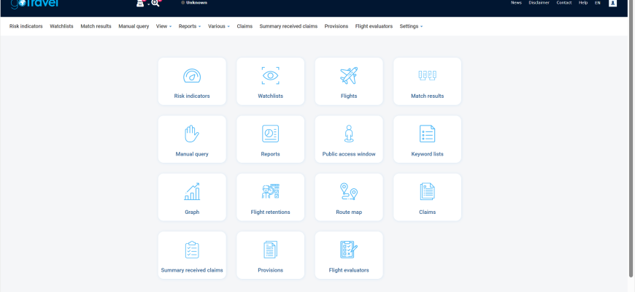
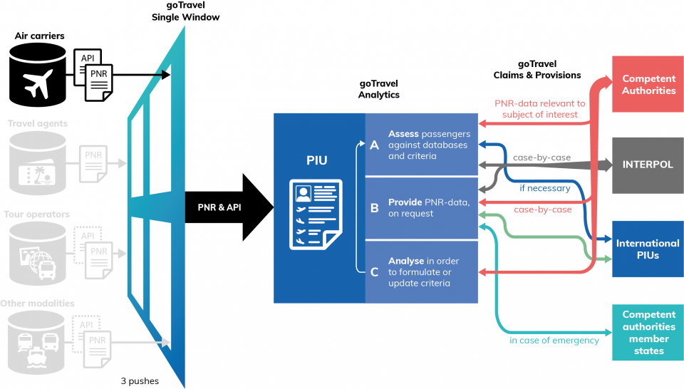
Category | Details | Sources
name | goTravel
developer | Netherlands, UN Office of Counter-Terrorism | https://www.thenationalnews.com/world/the-americas/un-unveils-plan-to-detect-travelling-foreign-fighters-with-new-software-1.858617
country_of_origin | Netherlands | https://www.thenationalnews.com/world/the-americas/un-unveils-plan-to-detect-travelling-foreign-fighters-with-new-software-1.858617
countries_implemented | unclear; upwards of 50 have applied or expressed interest (allegedly) | https://www.border-security-report.com/wp-content/uploads/2022/07/API-PNR-Namazov-research.pdf
programme | Countering Terrorist Travel Programme | https://www.thenationalnews.com/world/the-americas/un-unveils-plan-to-detect-travelling-foreign-fighters-with-new-software-1.858617, https://unitingaviation.com/regions/eurnat/keeping-our-borders-safe/, https://www.un.org/cttravel/goTravel
programme_funders | India, Japan, Saudi Arabia, Netherlands, Qatar, EU, USA, Australia, Germany, Hungary, South Korea | https://www.thenationalnews.com/world/the-americas/un-unveils-plan-to-detect-travelling-foreign-fighters-with-new-software-1.858617, https://www.un.org/cttravel/content/programme-donors
programme_partners | UN Counter-Terrorism Executive Directorate (CTED), UNODC, ICAO, UN Office of Information and Communication Technology (UNOICT), INTERPOL | https://unitingaviation.com/regions/eurnat/keeping-our-borders-safe/, https://www.un.org/cttravel/goTravel
type | air passenger screening system
aim | to "build Member States capabilities to prevent, detect, investigate and bring to justice individuals suspected of terrorism or other serious crimes by using passenger data, in accordance with Security Council resolutions 2178 (2014), 2396 (2017) and 2482 (2019) international standards and recommended practices and human rights principles." | https://www.un.org/cttravel/faq
capabilities | "AIR performs as a single window accepting multiple data transfer standards including receiving API and PNR data from carriers in PNRGOV EDIFACT (version 11.1 to 13.1), PNRGOV XML (version 13.1) or UN/EDIFACT PAXLST (version 05b) formats. Supported transmission protocol: MQ, Type B, REST, SOAP, Webservices, SFTP, AS4, SMTP, ebMS 3.0 , Allows for configuration of rule-based risk indicators and watchlists, and lists the records that match against those rules, Performs an assessment of passengers prior to their scheduled arrival/departure (matching with risk indicators, watchlists, and Interpol databases), Manually query API and PNR data for the purpose of helping competent authorities during ongoing investigations, Automatically notify competent authorities when goTravel identifies passenger data requiring further examination, Enable verification of API and PNR data retrieval and data quality of connected air carriers, Enable analysts to reveal relationships between objects in the Passenger Name Records data schema, etc. and visualize connections on graphs, Use network analysis to identify formally unknown relationships", rule based targeting and watchlisting, potential interoperability with MIDAS (opt-in), compliance with the Passenger Data Single Window obligation under Standard 9.1 of ICAO Annex 9, | https://www.linkedin.com/posts/solomon-kantha-22b45415_iom-un-migration-is-part-of-the-countering-activity-7093009268940947456-xOwS, https://governingbodies.iom.int/system/files/en/scpf/26th/S-26-7%20-%20Migration%20Information%20and%20Data%20Analysis%20System%20future%20scope%20and%20priorities.pdf, https://www.un.org/cttravel/goTravel, https://www.un.org/cttravel/faq
technical_details | runs on runs on Windows x64; run locally on country's servers but can be offered as cloud service; "default storage period of 5 years for API and PNR data, albeit that personal details are described as ‘masked out’ of the dataset after 6 months" | https://www.un.org/cttravel/faq, https://www.ohchr.org/sites/default/files/documents/issues/terrorism/sr/statements/2023-10-30-a-ct-travel-gotravel-position-paper.pdf
data_used | passenger data from (airline) carriers on inbound/outbound travel, INTERPOL watchlists (likely via I-24/7; see schematic to right) | https://www.un.org/cttravel/goTravel
date_launched | 2019 | https://www.everand.com/book/535124373/Terrorist-Events-Worldwide-2019-2020
date_developed | 2018 | https://www.ohchr.org/sites/default/files/documents/issues/terrorism/sr/statements/2023-10-30-a-ct-travel-gotravel-position-paper.pdf, https://www.un.org/counterterrorism/sites/www.un.org.counterterrorism/files/ct_week_2023_visibility_report.pdf | https://www.un.org/cttravel/goTravel |  |  | https://www.un.org/cttravel/goTravel
cost | free for a two-year trial period, followed by a means-tested licence fee: "For the initial two years period from the date of the signature of the Memorandum of Agreement (MoA), all new releases and updates of the goTravel software and related support services are free to the recipient Member State, as they are covered under the United Nations Countering Terrorist Travel Programme (CTTP) which is generously funded by a number of Donor countries. Should the country using goTravel decide to continue to use the software beyond the initial two-year period, it can opt-in to a non-profit partnership with all other participating states sharing the costs of maintenance, updates and 3rd level ICT support, calculated based on the number of Member States using goTravel and proportionate to their Gross Domestic Product (GDP) per capita. The GDP per capita is a country's GDP divided by its total population. The GDP PPP index is maintained and published by the World Bank (https://data.worldbank.org/indicator/NY.GDP.PCAP.PP.CD?view=chart) and is provided at Purchasing Power Parity (PPP). PPP takes into account the relative cost of living, rather than using only exchange rates, therefore providing a more accurate picture of the real differences in income. Based on the GDP PPP index, four bands for contribution for the CTTP goTravel solutions are established and automatically assigned to each country (Band A: $50,000, Band B: $100,000, Band C: $200,000, Band D: $350,000). These amounts translate into a yearly Member State contribution to the UNOCT CTTP programme earmarked to goTravel activities (development, support and maintenance of the software solution). These yearly rates will start applying for any Memorandum of Agreement for adoption of goTravel signed after 1 January 2024." | https://www.un.org/cttravel/faq
license_type | proprietary/closed source |  | Demo video: https://www.un.org/cttravel/UN%20CT%20Travel%20Programme%20goTravel%20Overview%20Demo%20Video
requires_partnership | yes (must be part of Countering Terrorist Travel Programme) |  | Position paper by UNOHCHR Special Rapperteur (Professor Fionnuala Ní Aoláin) on goTravel and the CT Travel programme (published 2023): "the Special Rapporteur is very concerned that, at least so far as it currently appears to be operating, the CT Travel Programme and the promulgation of the goTravel software solution demonstrates a troubling lack of investment and commitment in counter-terrorism policy-making to prioritize the promotion and protection of human rights. The design, implementation, and spread of the global API/PNR data collection and sharing regime poses substantial potential risks to human rights which cannot be addressed by inadequate mitigation strategies at the back end. The implication of the UN’s engagement in this scale and scope of international data sharing is deeply concerning and may undermine the UN’s efforts to lead on international respect for human rights in the fight against terrorism. The scale and scope of data engagement well as expose the United Nations to potential responsibility for human rights abuses stemming ultimately from the CT Travel Programme and goTravel." ... "The goTravel software is an experimental software program which, to the Special Rapporteur’s knowledge, has never been subject to formal review in respect of its accuracy rate in identifying named individuals, much less the accuracy of its use in any risk-based profiling system. With billions of air travellers every year, even a miniscule error rate of a tenth of one percent would mean millions of false positives/negatives."... "The Special Rapporteur concludes by recommending that the roll-out of CT Travel Programme and goTravel be paused" | https://www.ohchr.org/sites/default/files/documents/issues/terrorism/sr/statements/2023-10-30-a-ct-travel-gotravel-position-paper.pdf
distribution_partners | UN Counter-Terrorism Executive Directorate (CTED), UNODC, ICAO, UN Office of Information and Communication Technology (UNOICT), INTERPOL
future_development | "AI capabilities are currently not available and might be engineered in the next generation of goTravel. AI might be introduced within a supervised environment and relevant algorithms that might be enabled in future will be producing results that will have to be vetted and actioned (or otherwise) by PIU human operators"; interactive API (iAPI) module; goTravel (Maritime); goTravel (Road); goTravel (Rail); integration/interoperability with MIDAS, INTERPOL I24/7, and PISCES via middleware goConnect and PIU Matching Interface | https://www.un.org/cttravel/faq | for more details on UN OCT's policy approach and technical implementation in goTravel, see https://www.unodc.org/documents/evaluation/indepth-evaluations/2023/Midterm_Joint_Evaluation_Report_UN_Countering_Terrrorist_Travel_Programme.pdf
notes | derived from the Travel Information Portal (TRIP), developed by The Netherlands. "The goTravel scope is being extended to cover maritime passenger traffic and will further branch out to cover international high-speed rail and road information. Expected data volumes to be analyzed exceed several million records per year for any medium-sized country." "the more Member States that adopt the solution, the less they need to allocate for sustaining the central cost. This cost is distributed based on a three-tiered approach, calculated at 50,000/100,000/150,000 per year per country utilizing goTravel. These calculations take into account beneficiaries Member States GDP and HDI indexes." "built on standard technology, MS Technologies (.NET) and opensource technologies (Angular, Elasticsearch, Keycloak, MariaDB, Postgres and other standard databases)" | https://www.un.org/cttravel/goTravel
 |  |  | Evidence that the EU was pushing goTravel as part of its "Neighbourhood South Security Package" for: Algeria, Egypt, Israel, Jordan, Lebanon, Libya, Morocco, Palestine, Syria, Tunisia. Document claims that the UN OCT's MoU with a country when implementing goTravel "guarantees that the installation and use of the UN goTravel technology will comply with international human rights standards and fundamental freedoms". It also claims goTravel is "compliant with human rights by design" ???? | https://neighbourhood-enlargement.ec.europa.eu/document/download/5c40b25d-ea2e-4cf9-be70-ec6e340c1fa1_en

WCC HERMES / Elise ID

Category | Details | Sources
name | HERMES / ELISE ID | https://www.border-security-report.com/wcc-group-announces-the-launch-of-its-hermes-passenger-data-gateway/, https://www.wcc-group.com/id-security/products/hermes-passenger-screening-solution/
developer
country_of_origin
countries_implemented
programme
programme_funders
programme_partners
type
aim
capabilities
technical_details
data_used
date_launched
date_developed
cost
license_type
requires_partnership
distribution_partners
future_development
notes

goTravel_cases
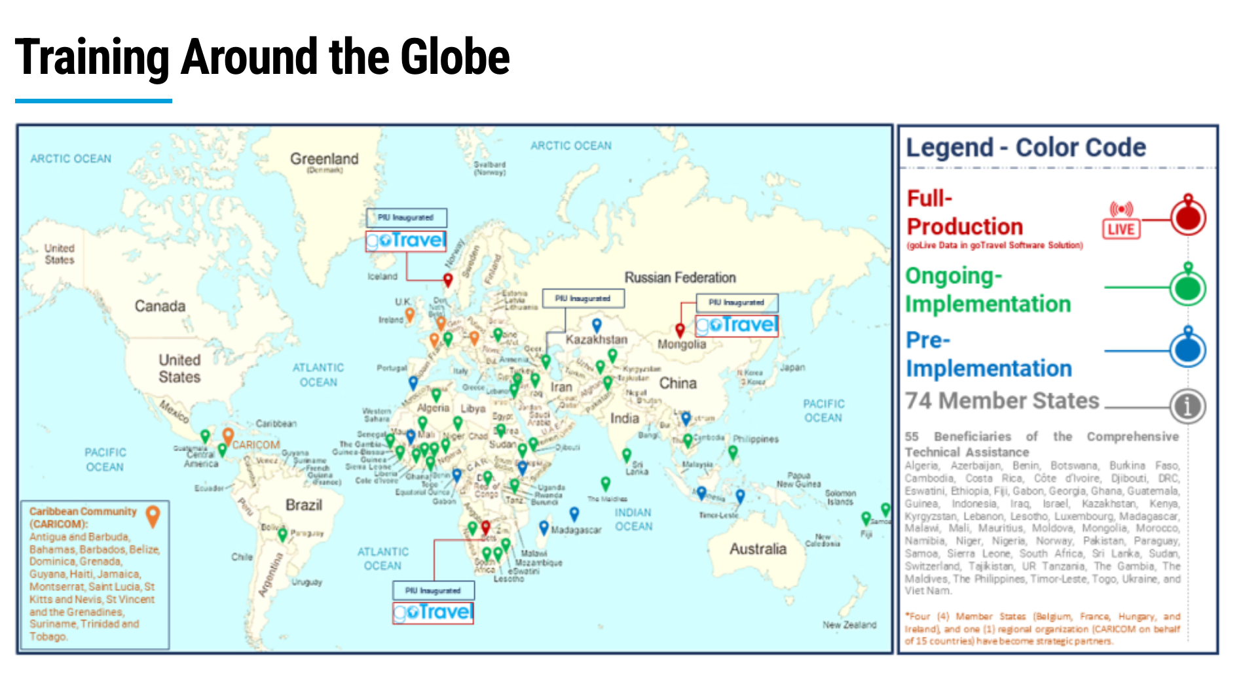
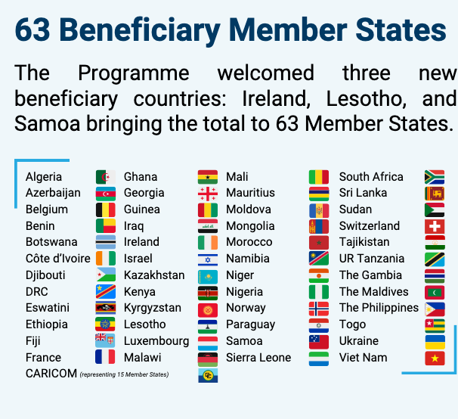
user_country | installed | other_systems | GoTravel_connected_with | donors | donation_amount | date_of_agreement | entry_into_operation | end_of_operation | organisations | status_functionality | projects | sources | Notes
Algeria | uncertain |  |  |  |  |  |  |  |  |  |  | https://www.icao.int/MID/Documents/2024/API-PNR%20Seminar/PPT3-1%20-%20MID%20Seminar%20CTTP%20Overview%20NEW.pdf, https://www.un.org/cttravel/sites/www.un.org.cttravel/files/styles/panopoly_image_full/public/general/76_member_states_57_beneficiaries.png
Azerbaijan | yes |  |  | IOM Development Fund |  | 2021 | 2023 |  |  |  | Enhancing Passenger Processing Capacities in Azerbaijan in Line with International Best Practices and Standards | https://s3-eu-west-1.amazonaws.com/upload.teamup.com/908040/hFDE85SJuM5Hy9AZ5ovQ_Final-20Concept-20Note-20and-20Agenda-20CT-20HL-20Side-20Event_04.06.2021.pdf, https://www.unodc.org/documents/evaluation/indepth-evaluations/2023/Midterm_Joint_Evaluation_Report_UN_Countering_Terrrorist_Travel_Programme.pdf, https://rovienna.iom.int/news/fighting-terror-and-making-travel-safer-iom-sponsored-event-azerbaijan
Belgium (strategic partner) | no | BelTRIP |  |  |  | 2023 |  |  |  |  |  | https://www.un.org/counterterrorism/sites/www.un.org.counterterrorism/files/20230223_mou_signing_ceremony_with_belpiu_-_press_release_fo.pdf
Benin | uncertain |  |  |  |  |  |  |  |  |  |  | https://www.un.org/cttravel/sites/www.un.org.cttravel/files/styles/panopoly_image_full/public/general/76_member_states_57_beneficiaries.png https://www.icao.int/ESAF/AFISECFAL/Documents/13th%20Steering%20Committee%20Meeting/Presentations/ENG/UNOCT%20CT%20Travel%20Presentation%20for%20AFI%20SECFAL%202024.pdf https://www.un.org/counterterrorism/sites/www.un.org.counterterrorism/files/mya_project_itemid_40.pdf, https://www.icao.int/MID/Documents/2024/API-PNR%20Seminar/PPT3-1%20-%20MID%20Seminar%20CTTP%20Overview%20NEW.pdf
Botswana | yes |  |  |  |  |  | 2022 (full operation) |  |  |  |  | https://www.border-security-report.com/mongolia-launches-their-passenger-information-unit-with-the-support-of-un-countering-terrorist-travel-programme/, https://www.unodc.org/documents/evaluation/indepth-evaluations/2023/Midterm_Joint_Evaluation_Report_UN_Countering_Terrrorist_Travel_Programme.pdf, https://docs-library.unoda.org/Open-Ended_Working_Group_on_Information_and_Communication_Technologies_-_(2021)/UNOCT_OEWG_-_ICT_mapping_exercise.pdf, https://www.un.org/counterterrorism/sites/www.un.org.counterterrorism/files/2022_counter_terrorism_compact_annual_report_-_final_nov_2023.pdf, https://www.icao.int/MID/Documents/2024/API-PNR%20Seminar/PPT3-1%20-%20MID%20Seminar%20CTTP%20Overview%20NEW.pdf
Burkina Faso | uncertain |  |  |  |  |  |  |  |  |  |  | https://www.icao.int/MID/Documents/2024/API-PNR%20Seminar/PPT3-1%20-%20MID%20Seminar%20CTTP%20Overview%20NEW.pdf, https://www.un.org/cttravel/sites/www.un.org.cttravel/files/styles/panopoly_image_full/public/general/76_member_states_57_beneficiaries.png?itok=J5cNp-bo
Cambodia | uncertain (mentioned as "ongoing implementation") |  |  |  |  |  |  |  |  |  |  | https://www.icao.int/MID/Documents/2024/API-PNR%20Seminar/PPT3-1%20-%20MID%20Seminar%20CTTP%20Overview%20NEW.pdf
Cameroon |  |  |  |  |  |  |  |  |  |  |  | https://www.icao.int/MID/Documents/2024/API-PNR%20Seminar/PPT3-1%20-%20MID%20Seminar%20CTTP%20Overview%20NEW.pdf
CARICOM IMPACS (carribean inter-state association) | yes (pre-production testing) |  |  |  |  | 2021 | 2021 (pre-production operation) |  |  |  |  | https://www.border-security-report.com/caricom-impacs-and-the-united-nations-office-of-counter-terrorism-unoct-collaborate-to-detect-and-counter-terrorists-and-serious-criminals-travel-using-passenger-data/, https://www.ambasadoriai.eu/wp-content/uploads/2021/02/STRENGHTENING-TRUST-AND-COOPERATING-AT-THE-EASTERN-BORDER-OF-THE-EU.-CURRENT-AND-FURUTRE-TRENDS-IN-EU-BORDER-MANAGEMENT.pdf, https://www.un.org/counterterrorism/sites/www.un.org.counterterrorism/files/qatar_annual_report_2021_a4_web2.pdf
Costa Rica |  |  |  |  |  |  |  |  |  |  |  | https://www.icao.int/MID/Documents/2024/API-PNR%20Seminar/PPT3-1%20-%20MID%20Seminar%20CTTP%20Overview%20NEW.pdf
Côte d'Ivoire | yes (pre-production testing) |  |  |  |  | 2021 | 2021 (pre-production operation) |  |  |  |  | https://www.unodc.org/documents/evaluation/indepth-evaluations/2023/Midterm_Joint_Evaluation_Report_UN_Countering_Terrrorist_Travel_Programme.pdf, https://www.un.org/counterterrorism/sites/www.un.org.counterterrorism/files/qatar_annual_report_2021_a4_web2.pdf, https://www.un.org/counterterrorism/sites/www.un.org.counterterrorism/files/210603_cote_divoire_unoct_mou_press_release.pdf
Democratic Republic of Congo | uncertain |  |  |  |  | 2024 |  |  |  |  |  | https://www.ohchr.org/sites/default/files/documents/issues/terrorism/sr/statements/2023-10-30-a-ct-travel-gotravel-position-paper.pdf, https://www.un.org/counterterrorism/sites/www.un.org.counterterrorism/files/20240423_press_release_mou_signing_unoctdrc.pdf
Djbouti | yes |  |  |  |  | 2023 |  |  |  |  |  | https://www.un.org/cttravel/The%20UN%20Countering%20Terrorist%20Travel%20Programme%20Strengthens%20Djibouti%E2%80%99s%20Border%20Security%20and%20Counter-Terrorism%20Capacities, https://www.icao.int/MID/Documents/2024/API-PNR%20Seminar/PPT3-1%20-%20MID%20Seminar%20CTTP%20Overview%20NEW.pdf
Eswatini |  |  |  |  |  |  |  |  |  |  |  | https://www.icao.int/MID/Documents/2024/API-PNR%20Seminar/PPT3-1%20-%20MID%20Seminar%20CTTP%20Overview%20NEW.pdf
Ethiopia |  |  |  |  |  |  |  |  |  |  |  | https://www.icao.int/MID/Documents/2024/API-PNR%20Seminar/PPT3-1%20-%20MID%20Seminar%20CTTP%20Overview%20NEW.pdf
Fiji | uncertain (in discussion) |  |  |  |  | 2023 |  |  |  |  |  | https://www.linkedin.com/posts/solomon-kantha-22b45415_iom-un-migration-is-part-of-the-countering-activity-7093009268940947456-xOwS, https://www.icao.int/MID/Documents/2024/API-PNR%20Seminar/PPT3-1%20-%20MID%20Seminar%20CTTP%20Overview%20NEW.pdf
Gabon |  |  |  |  |  |  |  |  |  |  |  | https://www.icao.int/MID/Documents/2024/API-PNR%20Seminar/PPT3-1%20-%20MID%20Seminar%20CTTP%20Overview%20NEW.pdf
Georgia | uncertain (planned) |  |  |  |  | 2024 |  |  |  |  |  | https://www.un.org/counterterrorism/sites/www.un.org.counterterrorism/files/un_ct_travel_programme_signing_georgia_-_press_release_final.pdf
Ghana | uncertain (mentioned as "ongoing implementation") |  |  |  |  |  |  |  |  |  |  | https://www.un.org/counterterrorism/sites/www.un.org.counterterrorism/files/240719_press_release_ct_travel_ghana_loa_ghana.pdf, https://www.icao.int/MID/Documents/2024/API-PNR%20Seminar/PPT3-1%20-%20MID%20Seminar%20CTTP%20Overview%20NEW.pdf
Guatemala | uncertain (mentioned as "ongoing implementation") |  |  |  |  |  |  |  |  |  |  | https://www.icao.int/MID/Documents/2024/API-PNR%20Seminar/PPT3-1%20-%20MID%20Seminar%20CTTP%20Overview%20NEW.pdf
Guinea |  |  |  |  |  |  |  |  |  |  |  | https://www.icao.int/MID/Documents/2024/API-PNR%20Seminar/PPT3-1%20-%20MID%20Seminar%20CTTP%20Overview%20NEW.pdf
Indonesia |  |  |  |  |  |  |  |  |  |  |  | https://www.icao.int/MID/Documents/2024/API-PNR%20Seminar/PPT3-1%20-%20MID%20Seminar%20CTTP%20Overview%20NEW.pdf
Iraq | uncertain (in discussion) |  |  |  |  |  |  |  |  |  |  | https://www.thenationalnews.com/world/the-americas/un-unveils-plan-to-detect-travelling-foreign-fighters-with-new-software-1.858617, https://www.icao.int/MID/Documents/2024/API-PNR%20Seminar/PPT3-1%20-%20MID%20Seminar%20CTTP%20Overview%20NEW.pdf
Israel |  |  |  |  |  |  |  |  |  |  |  | https://www.icao.int/MID/Documents/2024/API-PNR%20Seminar/PPT3-1%20-%20MID%20Seminar%20CTTP%20Overview%20NEW.pdf
Kazakhstan |  |  |  |  |  |  |  |  |  |  |  | https://www.icao.int/MID/Documents/2024/API-PNR%20Seminar/PPT3-1%20-%20MID%20Seminar%20CTTP%20Overview%20NEW.pdf
Kenya |  |  |  |  |  |  |  |  |  |  |  | https://www.icao.int/MID/Documents/2024/API-PNR%20Seminar/PPT3-1%20-%20MID%20Seminar%20CTTP%20Overview%20NEW.pdf
Kyrgyzstan | uncertain (mentioned as "ongoing implementation") |  |  |  |  | 2024 |  |  |  |  |  | https://www.un.org/counterterrorism/sites/www.un.org.counterterrorism/files/20240517_press_release_mou_unoctkyrgyz_eng.pdf, https://www.un.org/counterterrorism/sites/www.un.org.counterterrorism/files/240517_usg_visit_kyrgyzstan_press_release.pdf
Lebanon |  |  |  |  |  |  |  |  |  |  |  | https://www.icao.int/MID/Documents/2024/API-PNR%20Seminar/PPT3-1%20-%20MID%20Seminar%20CTTP%20Overview%20NEW.pdf
Lesotho |  |  |  |  |  |  |  |  |  |  |  | https://www.icao.int/MID/Documents/2024/API-PNR%20Seminar/PPT3-1%20-%20MID%20Seminar%20CTTP%20Overview%20NEW.pdf
Libya | uncertain |  |  |  |  |  |  |  |  |  |  | https://www.prevex-balkan-mena.eu/wp-content/uploads/2020/12/PREVEX-D6.1-Policy-Brief-Maghreb-and-Sahel-FINAL.pdf
Luxembourg | yes (pre-production testing) |  |  |  |  | 2023 | 2022 (pre-production operation) |  |  |  |  | https://www.un.org/counterterrorism/sites/www.un.org.counterterrorism/files/qatar_annual_report_2022_en.pdf, https://www.un.org/counterterrorism/sites/www.un.org.counterterrorism/files/20230724_press_release_mou_signing_unoct_ct_travel_luxembourg.pdf
Madagascar |  |  |  |  |  |  |  |  |  |  |  | https://www.icao.int/MID/Documents/2024/API-PNR%20Seminar/PPT3-1%20-%20MID%20Seminar%20CTTP%20Overview%20NEW.pdf
Malawi |  |  |  |  |  |  |  |  |  |  |  | https://www.icao.int/MID/Documents/2024/API-PNR%20Seminar/PPT3-1%20-%20MID%20Seminar%20CTTP%20Overview%20NEW.pdf
Maldives | uncertain (mentioned as "ongoing implementation") |  |  |  |  |  |  |  |  |  |  | https://www.icao.int/MID/Documents/2024/API-PNR%20Seminar/PPT3-1%20-%20MID%20Seminar%20CTTP%20Overview%20NEW.pdf
Mali | uncertain (in discussion) |  |  |  |  |  |  |  |  |  |  | https://www.ohchr.org/sites/default/files/documents/issues/terrorism/sr/statements/2023-10-30-a-ct-travel-gotravel-position-paper.pdf
Mauritius | uncertain ("pre-implementation") |  |  |  |  |  |  |  |  |  |  | https://www.icao.int/MID/Documents/2024/API-PNR%20Seminar/PPT3-1%20-%20MID%20Seminar%20CTTP%20Overview%20NEW.pdf
Moldova | yes (pre-production testing) |  |  | IOM Development Fund |  | 2022 | 2022 (pre-production operation) |  |  |  |  | https://www.un.org/counterterrorism/sites/www.un.org.counterterrorism/files/qatar_annual_report_2022_en.pdf, https://www.un.org/counterterrorism/sites/www.un.org.counterterrorism/files/221117_mou_signing_ceremony_moldova.pdf https://www.iom.int/project/export?page&_format=csv
Mongolia | yes |  |  | EU, Netherlands, Qatar, Germany, Australia, US, India, Japan, Hungary, South Korea |  | 2022 | 2024 |  |  |  |  | https://www.border-security-report.com/mongolia-launches-their-passenger-information-unit-with-the-support-of-un-countering-terrorist-travel-programme/, https://www.un.org/counterterrorism/sites/www.un.org.counterterrorism/files/moa_signing_ceremony_with_mongolia_-_press_release.pdf
Morocco | yes (pre-production testing) |  |  |  |  |  |  |  |  |  |  | https://www.unodc.org/documents/evaluation/indepth-evaluations/2023/Midterm_Joint_Evaluation_Report_UN_Countering_Terrrorist_Travel_Programme.pdf
Namibia | yes (pre-production testing) |  |  |  |  |  | 2022 (pre-production operation) |  |  |  |  | https://www.un.org/cttravel/content/training, https://www.un.org/counterterrorism/sites/www.un.org.counterterrorism/files/qatar_annual_report_2022_en.pdf
Niger | uncertain |  |  |  |  |  |  |  |  |  |  | https://www.prevex-balkan-mena.eu/wp-content/uploads/2020/12/PREVEX-D6.1-Policy-Brief-Maghreb-and-Sahel-FINAL.pdf
Nigeria |  |  |  |  |  |  |  |  |  |  |  | https://www.un.org/counterterrorism/sites/www.un.org.counterterrorism/files/unoct_mous_signing_ceremony_with_nigeria.pdf
Norway | yes |  |  |  |  |  | 2022 (full operation) |  |  |  |  | https://www.border-security-report.com/mongolia-launches-their-passenger-information-unit-with-the-support-of-un-countering-terrorist-travel-programme/, https://www.unodc.org/documents/evaluation/indepth-evaluations/2023/Midterm_Joint_Evaluation_Report_UN_Countering_Terrrorist_Travel_Programme.pdf, https://docs-library.unoda.org/Open-Ended_Working_Group_on_Information_and_Communication_Technologies_-_(2021)/UNOCT_OEWG_-_ICT_mapping_exercise.pdf, https://www.un.org/counterterrorism/sites/www.un.org.counterterrorism/files/2022_counter_terrorism_compact_annual_report_-_final_nov_2023.pdf
Pakistan | uncertain (in discussion) |  |  |  |  |  |  |  |  |  |  | https://www.unodc.org/pakistan/en/stories/unodc-led-ct-travel-training-enhances-pakistans-counter-terrorism-capabilities-through-collaboration-and-advanced-data-analysis.html
Paraguay | uncertain (mentioned as "ongoing implementation") |  |  |  |  |  |  |  |  |  |  | https://www.icao.int/MID/Documents/2024/API-PNR%20Seminar/PPT3-1%20-%20MID%20Seminar%20CTTP%20Overview%20NEW.pdf
Phillippines | yes (pre-production testing) |  |  |  |  |  | 2021 (pre-production operation) |  |  |  |  | https://www.unodc.org/documents/evaluation/indepth-evaluations/2023/Midterm_Joint_Evaluation_Report_UN_Countering_Terrrorist_Travel_Programme.pdf, https://www.un.org/counterterrorism/sites/www.un.org.counterterrorism/files/qatar_annual_report_2021_a4_web2.pdf, https://immigration.gov.ph/wp-content/uploads/2023/08/SustainingReformsInspiringInnovation2022_B.pdf
Samoa | uncertain (in discussion) |  |  | IOM Development Fund |  | 2023 |  |  |  |  |  | https://www.linkedin.com/posts/solomon-kantha-22b45415_iom-un-migration-is-part-of-the-countering-activity-7093009268940947456-xOwS, https://www.un.org/cttravel/The%20United%20Nations%20Countering%20Terrorist%20Travel%20Programme%20to%20Support%20Samoa%20to%20Utilize%20Passenger%20Data%20Exchange%20Systems, https://www.iom.int/project/export?page&_format=csv, https://www.icao.int/MID/Documents/2024/API-PNR%20Seminar/PPT3-1%20-%20MID%20Seminar%20CTTP%20Overview%20NEW.pdf
Sierra Leone | uncertain (in discussion) |  |  |  |  |  |  |  |  |  |  | https://www.unodc.org/documents/AIRCOP/AIRCOP_Newsletter_January_2021_.pdf
South Africa | uncertain (mentioned as "ongoing implementation") |  |  |  |  |  |  |  |  |  |  | https://www.icao.int/MID/Documents/2024/API-PNR%20Seminar/PPT3-1%20-%20MID%20Seminar%20CTTP%20Overview%20NEW.pdf
Sri Lanka | uncertain (in discussion) |  |  |  |  | 2019 |  |  |  |  |  | https://www.thenationalnews.com/world/the-americas/un-unveils-plan-to-detect-travelling-foreign-fighters-with-new-software-1.858617
Sudan | yes (pre-production testing) |  |  |  |  | 2020 |  |  |  |  |  | https://www.ohchr.org/sites/default/files/documents/issues/terrorism/sr/statements/2023-10-30-a-ct-travel-gotravel-position-paper.pdf, https://www.state.gov/wp-content/uploads/2021/07/Country_Reports_on_Terrorism_2020.pdf
Switzerland | yes (pre-production testing) |  |  |  |  |  | 2021 (pre-production operation) |  |  |  |  | https://www.unodc.org/documents/evaluation/indepth-evaluations/2023/Midterm_Joint_Evaluation_Report_UN_Countering_Terrrorist_Travel_Programme.pdf, https://www.un.org/counterterrorism/sites/www.un.org.counterterrorism/files/qatar_annual_report_2021_a4_web2.pdf
Tajikistan | uncertain (mentioned as "ongoing implementation") |  |  |  |  |  |  |  |  |  |  | https://www.icao.int/MID/Documents/2024/API-PNR%20Seminar/PPT3-1%20-%20MID%20Seminar%20CTTP%20Overview%20NEW.pdf
Tanzania |  |  |  |  |  |  |  |  |  |  |  | https://www.icao.int/ESAF/AFISECFAL/Documents/13th%20Steering%20Committee%20Meeting/Presentations/ENG/UNOCT%20CT%20Travel%20Presentation%20for%20AFI%20SECFAL%202024.pdf, https://www.icao.int/MID/Documents/2024/API-PNR%20Seminar/PPT3-1%20-%20MID%20Seminar%20CTTP%20Overview%20NEW.pdf
The Gambia | yes (pre-production testing) |  |  |  |  | 2022 |  |  |  |  |  | https://www.un.org/counterterrorism/sites/www.un.org.counterterrorism/files/230424_2021_ct_week_report_en.pdf, https://www.un.org/counterterrorism/sites/www.un.org.counterterrorism/files/20220906_ct_travel_programme_mou_signing_ceremony_with_the_gambia_-_press_release.pdf
The Maldives |  |  |  |  |  |  |  |  |  |  |  | https://www.icao.int/MID/Documents/2024/API-PNR%20Seminar/PPT3-1%20-%20MID%20Seminar%20CTTP%20Overview%20NEW.pdf
Timor-Leste |  |  |  |  |  |  |  |  |  |  |  | https://www.icao.int/MID/Documents/2024/API-PNR%20Seminar/PPT3-1%20-%20MID%20Seminar%20CTTP%20Overview%20NEW.pdf
Togo | uncertain (mentioned as "ongoing implementation") |  |  |  |  | 2022 | 2022 (pre-production operation) |  |  |  |  | https://www.un.org/cttravel/content/training, https://www.un.org/counterterrorism/sites/www.un.org.counterterrorism/files/7_ct_travel_togo_mou_signing_-_press_release.pdf
Tunisia | uncertain |  |  |  |  |  |  |  |  |  |  | https://www.prevex-balkan-mena.eu/wp-content/uploads/2020/12/PREVEX-D6.1-Policy-Brief-Maghreb-and-Sahel-FINAL.pdf
Ukraine | uncertain (mentioned as "ongoing implementation") |  |  |  |  |  |  |  |  |  |  | https://www.un.org/cttravel/content/training
Vietnam |  |  |  |  |  |  |  |  |  |  |  | https://www.icao.int/MID/Documents/2024/API-PNR%20Seminar/PPT3-1%20-%20MID%20Seminar%20CTTP%20Overview%20NEW.pdf
Zambia |  |  |  |  |  |  |  |  |  |  |  | https://www.un.org/cttravel/sites/www.un.org.cttravel/files/styles/panopoly_image_full/public/general/76_member_states_57_beneficiaries.png

